Sheet1
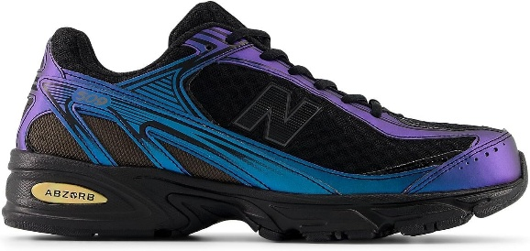
ARTICLE | PICTURES | BRAND | EU SIZE | QUANTITY | EAN | RRP | WHS PRICE
U509AB |  | NEW BALANCE | 40.5 | 26 | 198686311937 | 120 € | 60 €
U509AB |  | NEW BALANCE | 41.5 | 19 | 198686311944 | 120 € | 60 €
U509AB |  | NEW BALANCE | 42 | 70 | 198686311951 | 120 € | 60 €
U509AB |  | NEW BALANCE | 42.5 | 77 | 198686311968 | 120 € | 60 €
U509AB |  | NEW BALANCE | 43 | 40 | 198686311975 | 120 € | 60 €
U509AB |  | NEW BALANCE | 44 | 38 | 198686311982 | 120 € | 60 €
U509AB |  | NEW BALANCE | 44.5 | 39 | 198686311999 | 120 € | 60 €
U509AB |  | NEW BALANCE | 45 | 2 | 198686312002 | 120 € | 60 €
 |  |  | TOTAL | 311

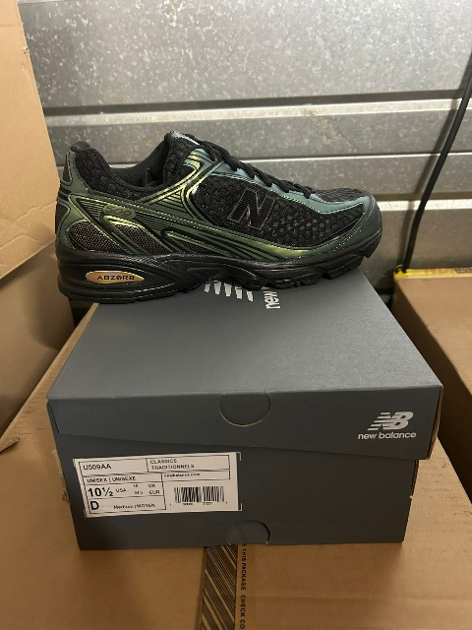
U509AA |  | NEW BALANCE | 40.5 | 39 | 198686312156 | 120 € | 60 €
U509AA |  | NEW BALANCE | 41.5 | 39 | 198686312163 | 120 € | 60 €
U509AA |  | NEW BALANCE | 42 | 77 | 198686312170 | 120 € | 60 €
U509AA |  | NEW BALANCE | 42.5 | 78 | 198686312187 | 120 € | 60 €
U509AA |  | NEW BALANCE | 43 | 78 | 198686312194 | 120 € | 60 €
U509AA |  | NEW BALANCE | 44 | 77 | 198686312200 | 120 € | 60 €
U509AA |  | NEW BALANCE | 44.5 | 39 | 198686312217 | 120 € | 60 €
U509AA |  | NEW BALANCE | 45 | 38 | 198686312224 | 120 € | 60 €
 |  |  |  |  |  | 120 € | 60 €
 |  |  | TOTAL | 465 |  | 120 € | 60 €

U509E1 |  | NEW BALANCE | 40 | 0 | 197967526862 | 120 € | 60 €
U509E1 |  | NEW BALANCE | 42 | 122 | 197967526893 | 120 € | 60 €
U509E1 |  | NEW BALANCE | 43 | 122 | 197967526916 | 120 € | 60 €
U509E1 |  | NEW BALANCE | 44 | 122 | 197967526923 | 120 € | 60 €
U509E1 |  | NEW BALANCE | 45 | 61 | 197967526947 | 120 € | 60 €
U509E1 |  | NEW BALANCE | 36 | 0 | 197967526800 | 120 € | 60 €
U509E1 |  | NEW BALANCE | 38 | 0 | 197967526831 | 120 € | 60 €
U509E1 |  | NEW BALANCE | 37 | 0 | 197967526817 | 120 € | 60 €
U509E1 |  | NEW BALANCE | 40.5 | 61 | 197967526879 | 120 € | 60 €
U509E1 |  | NEW BALANCE | 42.5 | 122 | 197967526909 | 120 € | 60 €
U509E1 |  | NEW BALANCE | 37.5 | 0 | 197967526824 | 120 € | 60 €
U509E1 |  | NEW BALANCE | 39.5 | 0 | 197967526855 | 120 € | 60 €
U509E1 |  | NEW BALANCE | 44.5 | 61 | 197967526930 | 120 € | 60 €
U509E1 |  | NEW BALANCE | 38.5 | 0 | 197967526848 | 120 € | 60 €
U509E1 |  | NEW BALANCE | 41.5 | 61 | 197967526886 | 120 € | 60 €
U509E1 |  | NEW BALANCE | 46.5 | 0 | 197967526954 | 120 € | 60 €

 |  |  | TOTAL | 732

 |  |  | GRAND TOTAL | 1508

